Step1
Time Series :

What is time series

 | Difference with regression analysis

 | This is cross sectional data, where Y is dependent on So many Factors of X

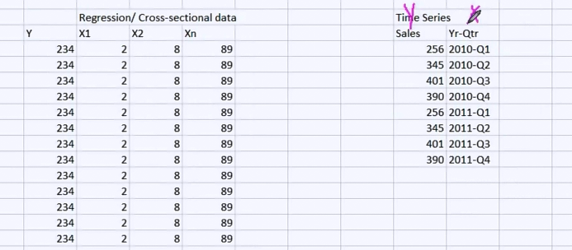
 | Y | X1 | X2 | X3 | Sales | Time
 |  |  |  |  |  |  | In regression - there is no time angle

 |  |  |  |  |  |  | In time series, independent variable is Time

Step2
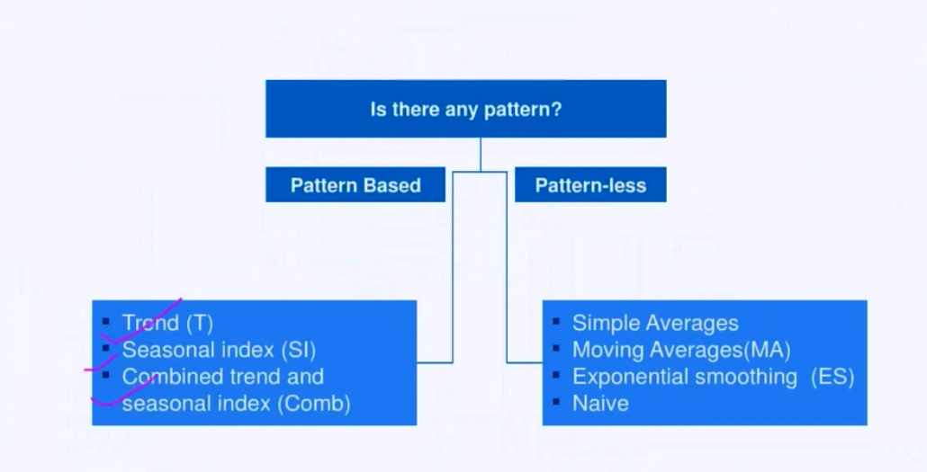

We will first of all have to identify the trend
de compose the data and different components like trends, seasonality etc
remove those trends
and then extrapolate the normal series to forecast future figures

We will do some of the exercises in Excel because it will give the fundamental understanding about the techniques

1-De-seasonClassExcercise
De seasoning Method

Y - Dependent | Time var - X |  |  |  |  |  |  |  |  |  | Time Series
Sales(MM) | Quarter |  |  |  |  | Components | Based on this graph : few points are
20 | 2008-Q1 |  |  |  |  |  | Seasonality | Its Cyclical on last quarter |  |  |  | Trend | positive linear
24 | 2008-Q2 |  |  |  |  |  | Trend | its linear slightly |  |  |  | Seasonality | Its Cyclical on last quarter
28 | 2008-Q3 |  |  |  |  |  |  |  |  |  |  | irregularity | no irregularity
65 | 2008-Q4 |  |  |  |  |  | in time series, the data should be of same period thoughgout
24 | 2009-Q1
29 | 2009-Q2
35 | 2009-Q3
80 | 2009-Q4
23 | 2010-Q1
27 | 2010-Q2
36 | 2010-Q3
85 | 2010-Q4
25 | 2011-Q1
27 | 2011-Q2
37 | 2011-Q3
95 | 2011-Q4

 |  |  |  |  |  | Means if there is no seasanality, then this wouuld have been the value | Based on the Trend line equation, we are adding the trend again |  | To find the model error

Time Perieods | Quarter | Sales(MM) | SI | Qtr | Final - SI | Deseasonlize | Trend data ( Predicited value without seasonlity) | predicted sales by model having SI Added now | Error Terms
1 | 2008-Q1 | 20 | 0.485 | Q1 | 0.558 | 35.9 | 36.0397 | 20.09486303 | 0.0047431515152
2 | 2008-Q2 | 24 | 0.582 | Q2 | 0.648 | 37.0 | 36.7344 | 23.821701818 | 0.0074290909091
3 | 2008-Q3 | 28 | 0.679 | Q3 | 0.824 | 34.0 | 37.4291 | 30.850652121 | 0.10180900433
4 | 2008-Q4 | 65 | 1.576 | Q4 | 1.970 | 33.0 | 38.1238 | 75.092333333 | 0.15526666667
5 | 2009-Q1 | 24 | 0.582 | Q1 | 0.558 | 43.0 | 38.8185 | 21.644254545 | 0.098156060606
6 | 2009-Q2 | 29 | 0.703 | Q2 | 0.648 | 44.7 | 39.5132 | 25.623711515 | 0.11642374086
7 | 2009-Q3 | 35 | 0.848 | Q3 | 0.824 | 42.5 | 40.2079 | 33.14105697 | 0.053112658009
8 | 2009-Q4 | 80 | 1.939 | Q4 | 1.970 | 40.6 | 40.9026 | 80.565727273 | 0.0070715909091
9 | 2010-Q1 | 23 | 0.558 | Q1 | 0.558 | 41.3 | 41.5973 | 23.193646061 | 0.0084193939394
10 | 2010-Q2 | 27 | 0.655 | Q2 | 0.648 | 41.6 | 42.292 | 27.425721212 | 0.015767452301
11 | 2010-Q3 | 36 | 0.873 | Q3 | 0.824 | 43.7 | 42.9867 | 35.431461818 | 0.015792727273
12 | 2010-Q4 | 85 | 2.061 | Q4 | 1.970 | 43.2 | 43.6814 | 86.039121212 | 0.012224955437
13 | 2011-Q1 | 25 | 0.606 | Q1 | 0.558 | 44.8 | 44.3761 | 24.743037576 | 0.01027849697
14 | 2011-Q2 | 27 | 0.655 | Q2 | 0.648 | 41.6 | 45.0708 | 29.227730909 | 0.082508552189
15 | 2011-Q3 | 37 | 0.897 | Q3 | 0.824 | 44.9 | 45.7655 | 37.721866667 | 0.01950990991
16 | 2011-Q4 | 95 | 2.303 | Q4 | 1.970 | 48.2 | 46.4602 | 91.512515152 | 0.036710366826
 |  | 41.25 |  |  |  |  |  |  | 5% | MAPE Mean abc perc error
17 | 2012-Q1 |  |  | Q1 | 0.558 |  | 47.1549 | 26.292429091 | Predicted Values
18 | 2012-Q2 |  |  | Q2 | 0.648 |  | 47.8496 | 31.029740606
19 | 2012-Q3 |  |  | Q3 | 0.824 |  | 48.5443 | 40.012271515
20 | 2012-Q4 |  |  | Q4 | 1.970 |  | 49.239 | 96.985909091
20 | 2013-Q1 |  |  | Q1 | 0.558 |  | 49.239
21 | 2013-Q2 |  |  | Q2 | 0.648 |  | 49.9337
22 | 2013-Q3 |  |  | Q3 | 0.824 |  | 50.6284
23 | 2013-Q4 |  |  | Q4 | 1.970 |  | 51.3231

Now the question is if suppose there is slow down expected of 5%, then we can manually do hand adjustment

2- Finding SI_ByMovAvg
Whenever you are working on time series, make sure you are plotting a graph to understand the data quantitatively and qualitativley:

The following data are the sales data in millions of dollars by quarter.

Quarter | Sales(MM) | Moving avg | Centered Moving Avg | Seasonal-Irregular Value | Quarter | Seasonal Index | This value is to be used to next sheet to identify the error and compare it with Method 1
2008-Q1 | 20 |  |  |  | Q1 | 0.591
2008-Q2 | 24 |  |  |  | Q2 | 0.656
2008-Q3 | 28 |  | 34.75 | 0.80575539568 | Q3 | 0.826
2008-Q4 | 65 | 34.25 | 35.88 | 1.8118466899 | Q4 | 1.902
2009-Q1 | 24 | 35.25 | 37.38 | 0.64214046823
2009-Q2 | 29 | 36.5 | 40.13 | 0.72274143302
2009-Q3 | 35 | 38.25 | 41.88 | 0.83582089552
2009-Q4 | 80 | 42 | 41.50 | 1.9277108434
2010-Q1 | 23 | 41.75 | 41.38 | 0.55589123867
2010-Q2 | 27 | 41.25 | 42.13 | 0.6409495549
2010-Q3 | 36 | 41.5 | 43.00 | 0.83720930233
2010-Q4 | 85 | 42.75 | 43.25 | 1.9653179191
2011-Q1 | 25 | 43.25 | 43.38 | 0.57636887608
2011-Q2 | 27 | 43.25 | 44.75 | 0.60335195531
2011-Q3 | 37 | 43.5
2011-Q4 | 95 | 46

 |  | We are smoothing the data anyways

3-Deasonalized data MovingAvg
Quarter | Sales | Seasonal Index | Deseasonalized Sales (sales/seas.Index) | # | Predicted Values(Trend Values)
2008-Q1 | 20 | 0.59 | 33.81 | 1 | 35.1521 | 20.791302244 | 4%
2008-Q2 | 24 | 0.66 | 36.60 | 2 | 35.9172 | 23.550224933 | 2%
2008-Q3 | 28 | 0.83 | 33.89 | 3 | 36.6823 | 30.309185593 | 8%
2008-Q4 | 65 | 1.90 | 34.18 | 4 | 37.4474 | 71.210917671 | 10%
2009-Q1 | 24 | 0.59 | 40.58 | 5 | 38.2125 | 22.601427426 | 6%
2009-Q2 | 29 | 0.66 | 44.23 | 6 | 38.9776 | 25.556871008 | 12%
2009-Q3 | 35 | 0.83 | 42.36 | 7 | 39.7427 | 32.837877403 | 6%
2009-Q4 | 80 | 1.90 | 42.07 | 8 | 40.5078 | 77.030651283 | 4%
2010-Q1 | 23 | 0.59 | 38.89 | 9 | 41.2729 | 24.411552607 | 6%
2010-Q2 | 27 | 0.66 | 41.18 | 10 | 42.038 | 27.563517082 | 2%
2010-Q3 | 36 | 0.83 | 43.57 | 11 | 42.8031 | 35.366569213 | 2%
2010-Q4 | 85 | 1.90 | 44.70 | 12 | 43.5682 | 82.850384894 | 3%
2011-Q1 | 25 | 0.59 | 42.27 | 13 | 44.3333 | 26.221677788 | 5%
2011-Q2 | 27 | 0.66 | 41.18 | 14 | 45.0984 | 29.570163157 | 10%
2011-Q3 | 37 | 0.83 | 44.78 | 15 | 45.8635 | 37.895261023 | 2%
2011-Q4 | 95 | 1.90 | 49.96 | 16 | 46.6286 | 88.670118506 | 7%
2011-Q1 | 28 | 0.59 | 47.39 | 17 | 47.3937
2011-Q2 | 32 | 0.66 | 48.16 | 18 | 48.1588 |  | 5%
2011-Q3 | 40 | 0.83 | 48.92 | 19 | 48.9239
2011-Q4 | 94 | 1.90 | 49.69 | 20 | 49.689

SAS Codes
Date
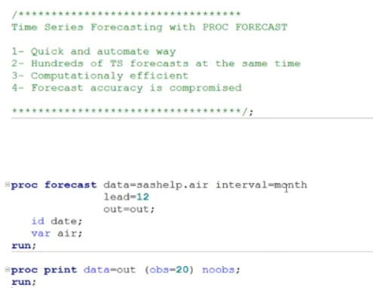

 | I want forecast for next 12 months !!!

6- Theory
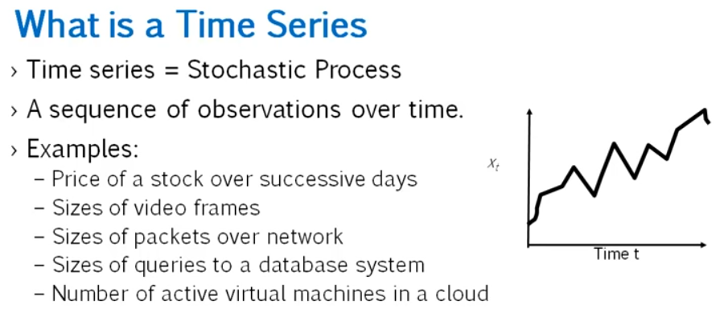

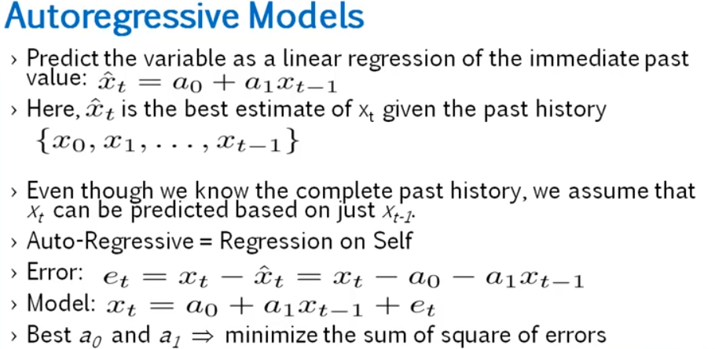
 |  |  |  |  |  |  |  |  |  |  | Y is regressive on X
 |  |  |  |  |  |  |  |  |  |  | then, X is regressive on X further

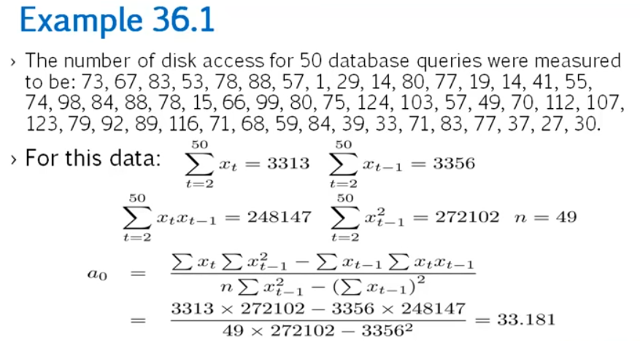

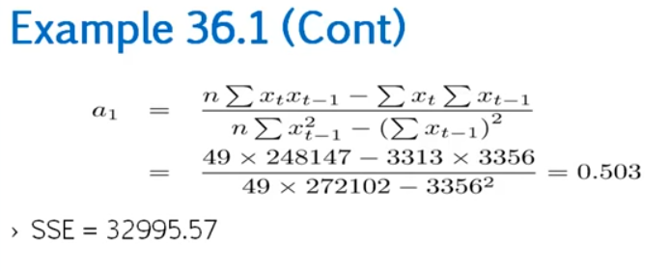

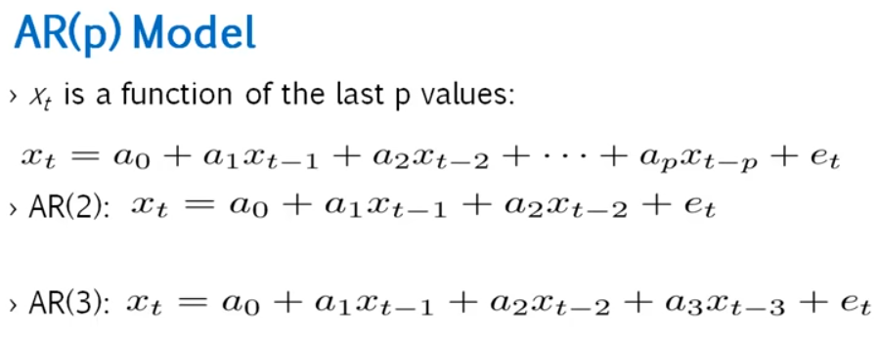

ARIMA |  | Auto Regressive |  | y(t) = a0 + a1x1(t-1) + a2x2(t-2) + et
non Stationary TS
 |  |  |  |  |  | 1hr | 2hr | 3Hr
 |  |  | Integrated |  | converts into the stationarity | 20Km | 20Km | 20Km | Stationary
 |  |  |  |  | differencing
 |  |  |  |  |  | 20 | 23 | 28 | Non Stationary
 |  |  |  | Moving Averages |  |  | 3 | 8
 |  |  |  |  |  | 20 | 20 | 20 |  | 2 integrated

ARMA
 | Stationary TS

